Pivot Tables
Sales By Month
Row Labels | Sum of Total | Average of Rating | Average of Unit price | Count of Invoice ID | Max of Total
A | $106,200.37 | 7.03 | $54.78 | 340 | 1039.29
B | $106,197.67 | 6.82 | $55.66 | 332 | 1022.49
C | $110,568.71 | 7.07 | $56.61 | 328 | 1042.65
Grand Total | $322,966.75 | 6.97 | $55.67 | 1000 | 1042.65

Sum of Total | Column Labels
Row Labels | A | B | C | Grand Total
Jan | 38681 | 37176 | 40435 | 116292
Feb | 29860 | 34424 | 32935 | 97219
Mar | 37659 | 34597 | 37199 | 109456
Grand Total | 106200 | 106198 | 110569 | 322967

Sales X Gender
Sum of Total | Column Labels
Row Labels | Female | Male | Grand Total
A | 50% | 50% | 100%
B | 50% | 50% | 100%
C | 56% | 44% | 100%
Grand Total | 52% | 48% | 100%
Gender | (All)

Sum of Total | Column Labels
Row Labels | Cash | Credit card | Ewallet | Grand Total
A | 32% | 31% | 37% | 100%
B | 33% | 35% | 32% | 100%
C | 39% | 27% | 34% | 100%
Grand Total | 35% | 31% | 34% | 100%

Total Sales Product line

Sum of Total | Column Labels
Row Labels | A | B | C | Grand Total
Electronic accessories | 17% | 16% | 17% | 17%
Fashion accessories | 15% | 15% | 19% | 17%
Food and beverages | 16% | 14% | 21% | 17%
Health and beauty | 12% | 19% | 15% | 15%
Home and lifestyle | 21% | 17% | 13% | 17%
Sports and travel | 18% | 19% | 14% | 17%
Grand Total | 100% | 100% | 100% | 100%

Gender | (All)

Sum of Total | Column Labels
Row Labels | Electronic accessories | Fashion accessories | Food and beverages | Health and beauty | Home and lifestyle | Sports and travel | Grand Total
A | 34% | 30% | 31% | 26% | 42% | 35% | 33%
B | 31% | 30% | 27% | 41% | 33% | 36% | 33%
C | 35% | 40% | 42% | 34% | 26% | 29% | 34%
Grand Total | 100% | 100% | 100% | 100% | 100% | 100% | 100%

Analysis
Sales By Month
Row Labels | Sum of Total | Average of Rating | Average of Unit price | Count of Invoice ID | Max of Total2
A | $106,200.37 | $7.03 | $54.78 | 340 | 1039.29
B | $106,197.67 | $6.82 | $55.66 | 332 | 1022.49
C | $110,568.71 | $7.07 | $56.61 | 328 | 1042.65
Grand Total | $322,966.75 | $6.97 | $55.67 | 1000 | 1042.65

Sum of Total | Column Labels
Row Labels | A | B | C | Grand Total
Jan | 38681.13 | 37176.06 | 40434.68 | 116291.87
Feb | 29860.12 | 34424.27 | 32934.98 | 97219.37
Mar | 37659.12 | 34597.34 | 37199.04 | 109455.51
Grand Total | 106200.37 | 106197.67 | 110568.71 | 322966.75

Sales X Gender
Sum of Total | Column Labels
Row Labels | Female | Male | Grand Total
A | 50% | 50% | 100%
B | 50% | 50% | 100%
C | 56% | 44% | 100%
Grand Total | 52% | 48% | 100%

Gender | (All)

Sum of Total | Column Labels
Row Labels | Cash | Credit card | Ewallet | Grand Total
A | 32% | 31% | 37% | 100%
B | 33% | 35% | 32% | 100%
C | 39% | 27% | 34% | 100%
Grand Total | 35% | 31% | 34% | 100%

Gender | (All)

Sum of Total | Column Labels
Row Labels | A | B | C | Grand Total
Electronic accessories | 34% | 31% | 35% | 100%
Fashion accessories | 30% | 30% | 40% | 100%
Food and beverages | 31% | 27% | 42% | 100%
Health and beauty | 26% | 41% | 34% | 100%
Home and lifestyle | 42% | 33% | 26% | 100%
Sports and travel | 35% | 36% | 29% | 100%
Grand Total | 33% | 33% | 34% | 100%
Product Line In %

Gender | (All)

Sum of Total | Column Labels
Row Labels | Electronic accessories | Fashion accessories | Food and beverages | Health and beauty | Home and lifestyle | Sports and travel | Grand Total
A | 17% | 15% | 16% | 12% | 21% | 18% | 100%
B | 16% | 15% | 14% | 19% | 17% | 19% | 100%
C | 17% | 19% | 21% | 15% | 13% | 14% | 100%
Grand Total | 17% | 17% | 17% | 15% | 17% | 17% | 100%

Dashboards
Sales Dashboards

Overview Summary

 |  |  |  |  |  |  | Row Labels | Sum of Total | Average of Rating | Average of Unit price | Count of Invoice ID | Max of Total2
 |  |  |  |  |  |  | A | $106,200.37 | $7.03 | $54.78 | 340 | 1039.29
 |  |  |  |  |  |  | B | $106,197.67 | $6.82 | $55.66 | 332 | 1022.49
 |  |  |  |  |  |  | C | $110,568.71 | $7.07 | $56.61 | 328 | 1042.65
 |  |  |  |  |  |  | Grand Total | $322,966.75 | $6.97 | $55.67 | 1000 | 1042.65

Sales Trend
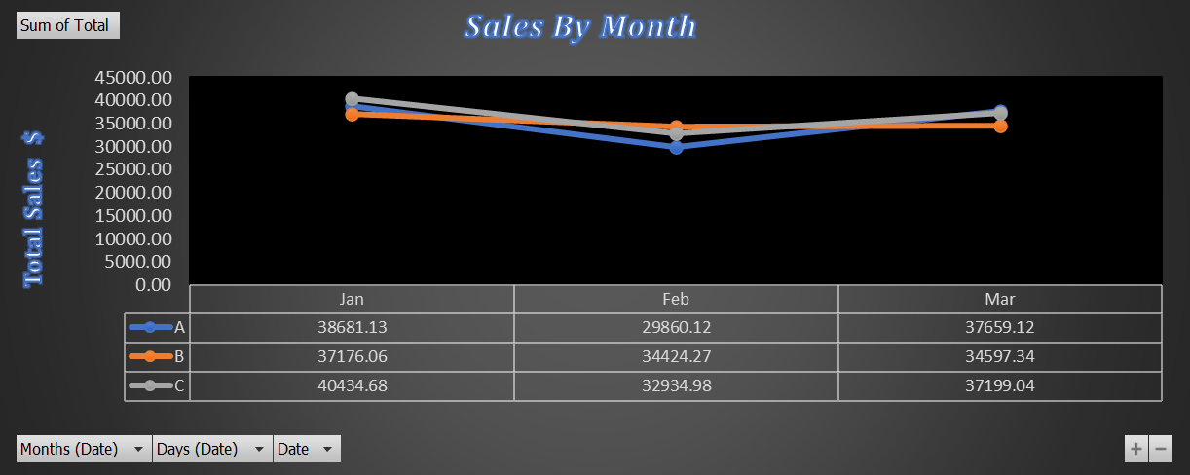
 | Sum of Total | Column Labels
 | Row Labels | A | B | C | Grand Total
 | Jan | 38681.13 | 37176.06 | 40434.68 | 116291.87
 | Feb | 29860.12 | 34424.27 | 32934.98 | 97219.37
 | Mar | 37659.12 | 34597.34 | 37199.04 | 109455.51
 | Grand Total | 106200.37 | 106197.67 | 110568.71 | 322966.75

Sales Trend By customer Attributes
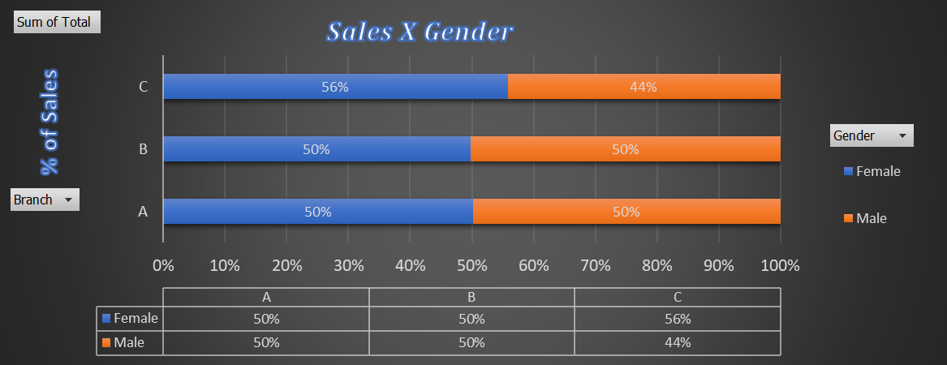
 | Cash | Credit card | Ewallet
A | 32% | 31% | 37%
B | 33% | 35% | 32%
C | 39% | 27% | 34%
 | Sum of Total | Column Labels
 | Row Labels | Female | Male | Grand Total
 | A | 50% | 50% | 100%
 | B | 50% | 50% | 100%
 | C | 56% | 44% | 100%
 | Grand Total | 52% | 48% | 100%

 | Gender | (All)

 | Sum of Total | Column Labels
 | Row Labels | Cash | Credit card | Ewallet | Grand Total
 | A | 32% | 31% | 37% | 100%
 | B | 33% | 35% | 32% | 100%
 | C | 39% | 27% | 34% | 100%
 | Grand Total | 35% | 31% | 34% | 100%
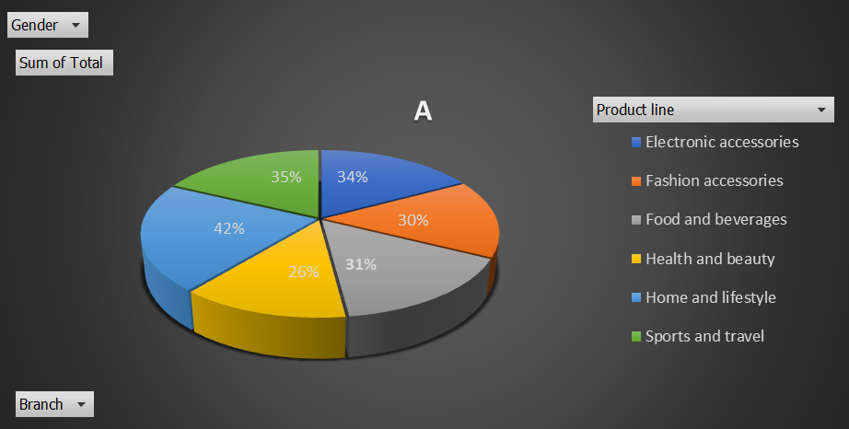
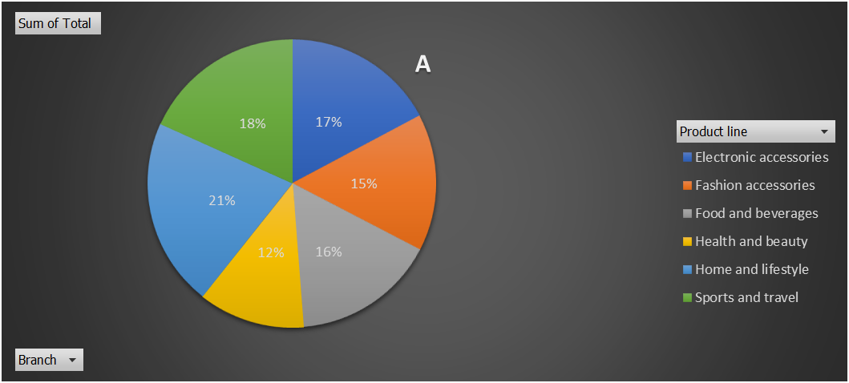
 | Gender | (All)

 | Sum of Total | Column Labels
 | Row Labels | A | B | C | Grand Total
 | Electronic accessories | 34% | 31% | 35% | 100%
 | Fashion accessories | 30% | 30% | 40% | 100%
 | Food and beverages | 31% | 27% | 42% | 100%
 | Health and beauty | 26% | 41% | 34% | 100%
 | Home and lifestyle | 42% | 33% | 26% | 100%
 | Sports and travel | 35% | 36% | 29% | 100%
 | Grand Total | 33% | 33% | 34% | 100%

Gender | (All)
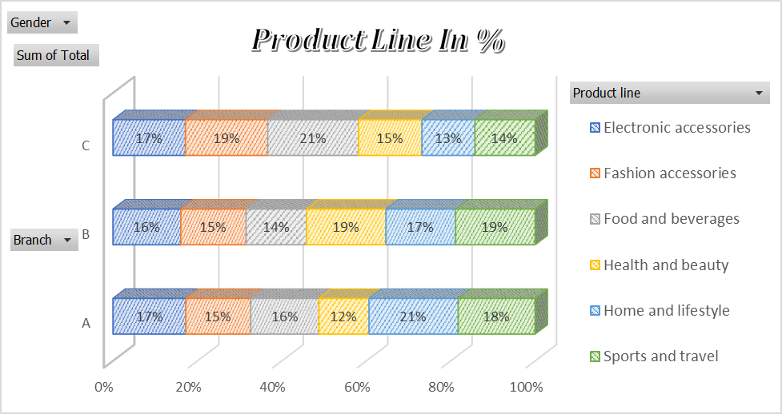
Sum of Total | Column Labels
Row Labels | Electronic accessories | Fashion accessories | Food and beverages | Health and beauty | Home and lifestyle | Sports and travel | Grand Total
A | 17% | 15% | 16% | 12% | 21% | 18% | 100%
B | 16% | 15% | 14% | 19% | 17% | 19% | 100%
C | 17% | 19% | 21% | 15% | 13% | 14% | 100%
Grand Total | 17% | 17% | 17% | 15% | 17% | 17% | 100%

